Figure 1
Contribution to GDP, Australia

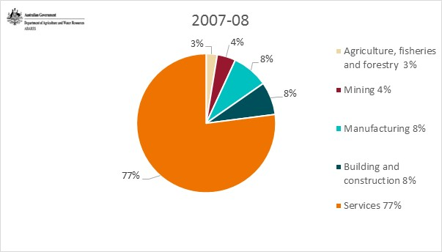
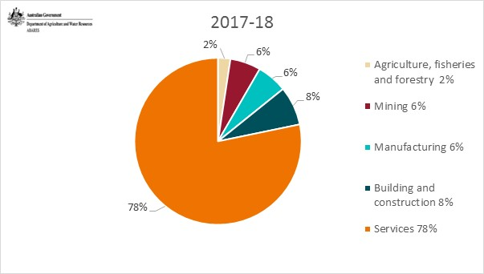
 | Contribution to GDP, Australia

 |  |  | 2007-08 | 2017-18
 | Agriculture, fisheries and forestry | % | 3 | 2
 | Mining | % | 4 | 6
 | Manufacturing | % | 8 | 6
 | Building and construction | % | 8 | 8
 | Services | % | 77 | 78
 | Total GDP | $b | 1305.3 | 1693.8

 | Source: Australian Bureau Statistics, National accounts, Australia, cat. No. 5206.0, Canberra,September quarter

Source: Australian Bureau Statistics, National accounts, Australia, cat. No. 5206.0, Canberra, September quarter

Figure 2
Markets for Australian merchandise exports
 | Total Australian merchandise exports - principal markets
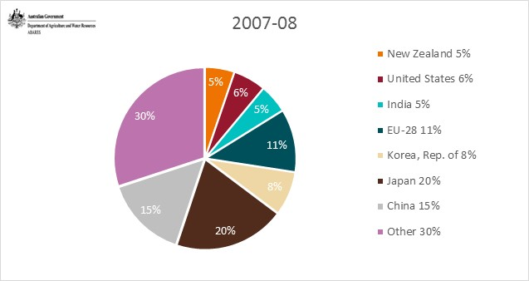
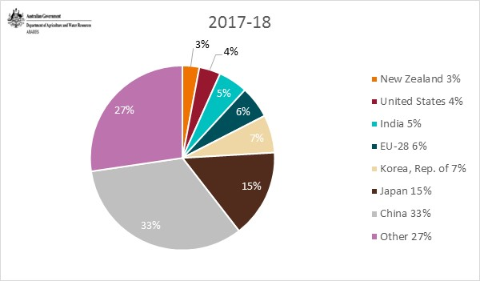
 |  |  | 2007-08 | 2017-18
 | New Zealand | % | 5 | 3
 | United States | % | 6 | 4
 | India | % | 5 | 5
 | EU-28 | % | 11 | 6
 | Korea, Rep. of | % | 8 | 7
 | Japan | % | 20 | 15
 | China | % | 15 | 33
 | Other | % | 30 | 27

 | Real value exports | $b | 233.7 | 320.4
 | Source: Australian Bureau Statistics, Information Consultancy Services, 2007, Australia, cat. No. 9920.0, Canberra, September quarter

Source: Australian Bureau Statistics, Information Consultancy Services, 2007, Australia, cat. No. 9920.0, Canberra, September quarter | Australian exports - agriculture principal markets

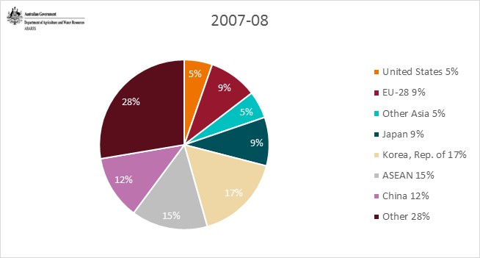
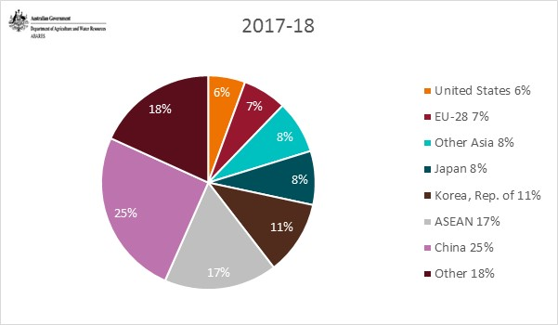
 |  |  | 2007-08 | 2017-18
 | United States | % | 5 | 6
 | EU-28 | % | 9 | 7
 | Other Asia | % | 5 | 8
 | Japan | % | 9 | 8
 | Korea, Rep. of | % | 17 | 11
 | ASEAN | % | 15 | 17
 | China | % | 12 | 25
 | Other | % | 28 | 18

 | Real value exports | $b | 35.2 | 50.0
 | Source: Australian Bureau Statistics, Information Consultancy Services, 2007, Australia, cat. No. 9920.0, Canberra, September quarter

Source: Australian Bureau Statistics, Information Consultancy Services, 2007, Australia, cat. No. 9920.0, Canberra, September quarter | Australian exports - fisheries principal markets

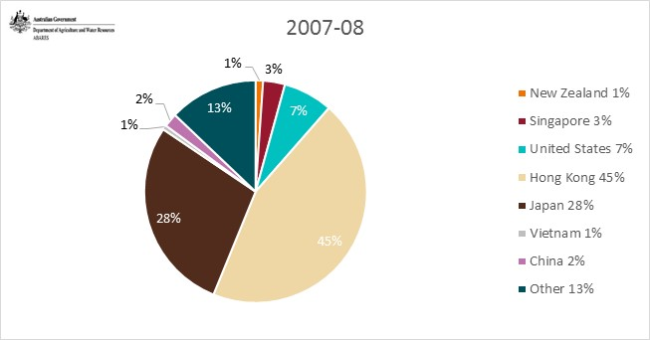
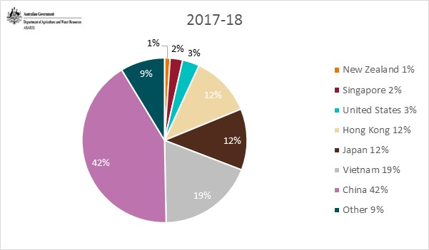
 |  |  | 2007-08 | 2017-18
 | New Zealand | % | 1 | 1
 | Singapore | % | 3 | 2
 | United States | % | 7 | 3
 | Hong Kong | % | 45 | 12
 | Japan | % | 28 | 12
 | Vietnam | % | 1 | 19
 | China | % | 2 | 42
 | Other | % | 13 | 9

 | Real value exports | $b | 1.7 | 1.6
 | Source: Australian Bureau Statistics, Information Consultancy Services, 2007, Australia, cat. No. 9920.0, Canberra, September quarter

Source: Australian Bureau Statistics, Information Consultancy Services, 2007, Australia, cat. No. 9920.0, Canberra, September quarter

Figure 3
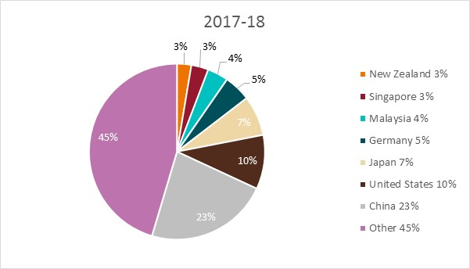
Markets for Australian merchandise imports
 | Total Australian merchandise imports - principal markets
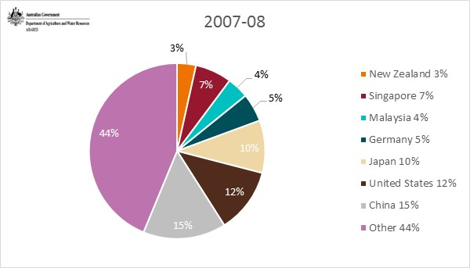
 |  |  | 2007-08 | 2017-18
 | New Zealand | % | 3 | 3
 | Singapore | % | 7 | 3
 | Malaysia | % | 4 | 4
 | Germany | % | 5 | 5
 | Japan | % | 10 | 7
 | United States | % | 12 | 10
 | China | % | 15 | 23
 | Other | % | 44 | 45

 | Real value exports | $b | 261.5 | 306.9
 | Source: Australian Bureau Statistics, Information Consultancy Services, 2007, Australia, cat. No. 9920.0, Canberra, September quarter

 | Australian imports - agriculture principal markets
Source: Australian Bureau Statistics, Information Consultancy Services, 2007, Australia, cat. No. 9920.0, Canberra, September quarter
 |  |  | 2007-08 | 2017-18
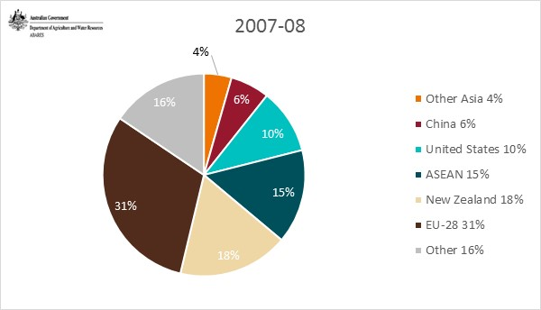
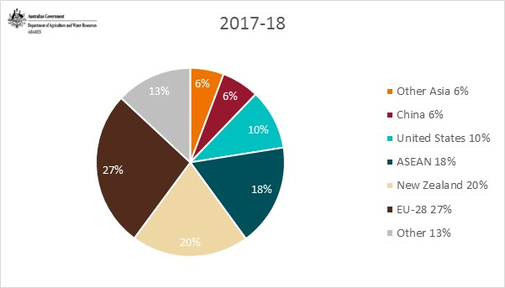
 | Other Asia | % | 4 | 6
 | China | % | 6 | 6
 | United States | % | 10 | 10
 | ASEAN | % | 15 | 18
 | New Zealand | % | 18 | 20
 | EU-28 | % | 31 | 27
 | Other | % | 16 | 13

 | Real value exports | $b | 11.1 | 18.5
 | Source: Australian Bureau Statistics, Information Consultancy Services, 2007, Australia, cat. No. 9920.0, Canberra, September quarter

 | Australian imports - fisheries principal markets

 |  |  | 2007-08 | 2017-18
Source: Australian Bureau Statistics, Information Consultancy Services, 2007, Australia, cat. No. 9920.0, Canberra, September quarter | Indonesia | % | 2 | 4
 | Malaysia | % | 4 | 5
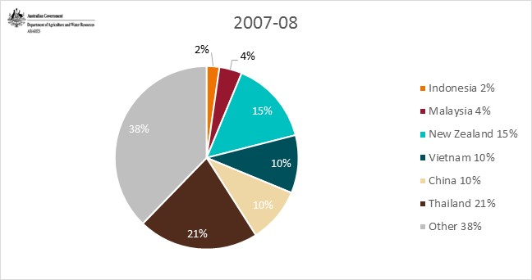
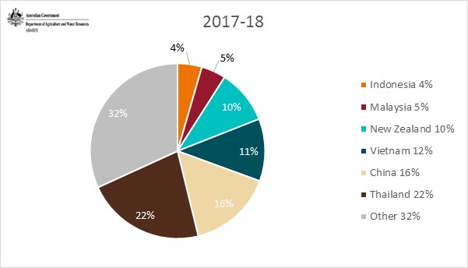
 | New Zealand | % | 15 | 10
 | Vietnam | % | 10 | 11
 | China | % | 10 | 16
 | Thailand | % | 21 | 22
 | Other | % | 38 | 32

 | Real value exports | $b | 1.8 | 2.2
 | Source: Australian Bureau Statistics, Information Consultancy Services, 2007, Australia, cat. No. 9920.0, Canberra, September quarter

Source: Australian Bureau Statistics, Information Consultancy Services, 2007, Australia, cat. No. 9920.0, Canberra, September quarter

Figure 4
Principal markets for Australian agricultural, fisheries and forestry exports (in 2017–18 dollars)

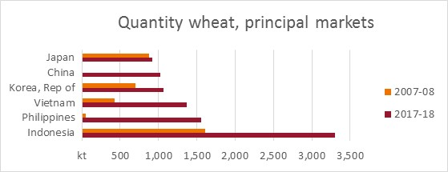
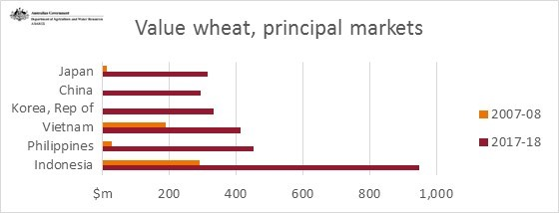
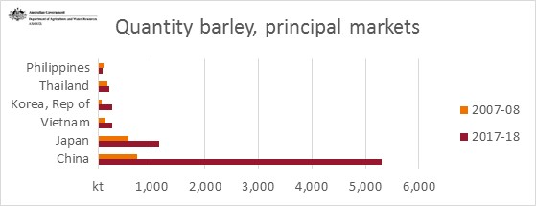
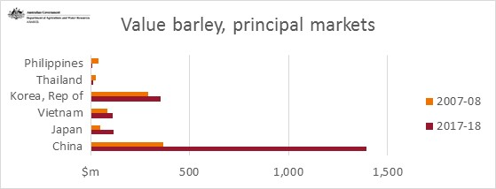
 |  | Quantity wheat, principal markets |  |  | Value wheat, principal markets
 |  | kt | 2007-08 | 2017-18 | $m | 2007-08 | 2017-18
 |  | Japan | 878 | 924 | Japan | 13 | 316
 |  | China | 2 | 1025 | China | 1 | 294
 |  | Korea, Rep of | 694 | 1061 | Korea, Rep of | 3 | 332
 |  | Vietnam | 432 | 1371 | Vietnam | 190 | 414
 |  | Philippines | 51 | 1558 | Philippines | 28 | 453
 |  | Indonesia | 1608 | 3306 | Indonesia | 291 | 950
 |  | Source: Australian Bureau Statistics, Information Consultancy Services, 2007, Australia, cat. No. 9920.0, Canberra, September quarter
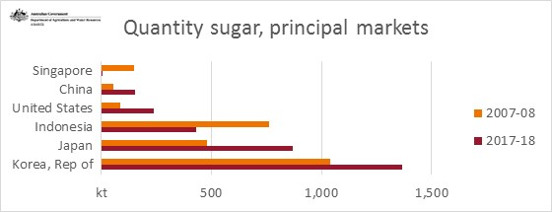
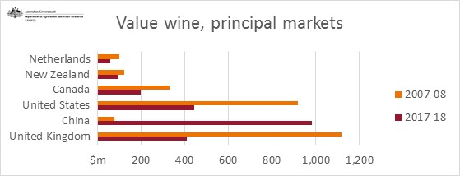
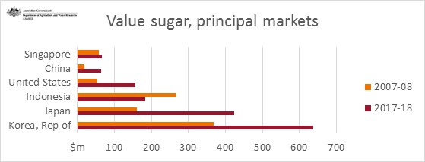
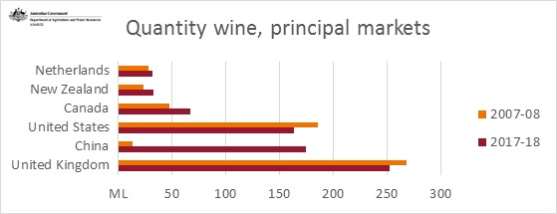
 |  | Quantity barley, principal markets |  |  | Value barley, principal markets
 |  | kt | 2007-08 | 2017-18 | $m | 2007-08 | 2017-18
 |  | Philippines | 103 | 93 | Philippines | 42 | 8
 |  | Thailand | 180 | 216 | Thailand | 27 | 14
 |  | Korea, Rep of | 77 | 264 | Korea, Rep of | 292 | 353
 |  | Vietnam | 150 | 268 | Vietnam | 85 | 110
 |  | Japan | 578 | 1140 | Japan | 48 | 114
 |  | China | 736 | 5297 | China | 368 | 1393
 |  | Source: Australian Bureau Statistics, Information Consultancy Services, 2007, Australia, cat. No. 9920.0, Canberra, September quarter

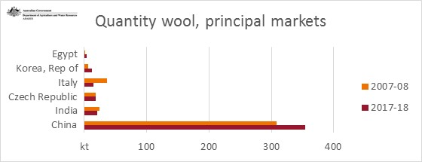
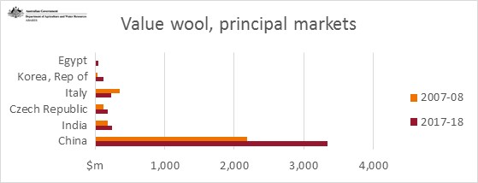
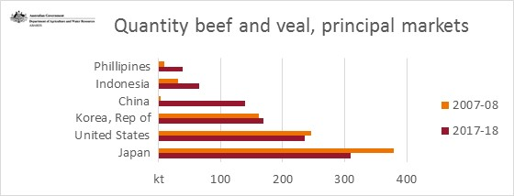
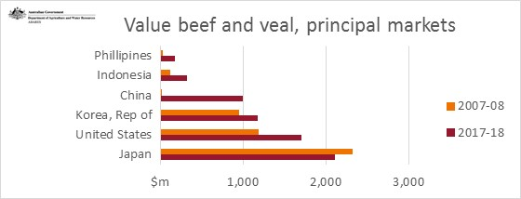
 |  | Quantity sugar, principal markets |  |  | Value sugar, principal markets
 |  | kt | 2007-08 | 2017-18 | $m | 2007-08 | 2017-18
 |  | Singapore | 148 | 0 | Singapore | 58 | 67
 |  | China | 53 | 152 | China | 19 | 64
 |  | United States | 86 | 240 | United States | 53 | 157
 |  | Indonesia | 760 | 431 | Indonesia | 267 | 183
 |  | Japan | 480 | 871 | Japan | 162 | 423
 |  | Korea, Rep of | 1039 | 1366 | Korea, Rep of | 367 | 638
 |  | Source: Australian Bureau Statistics, Information Consultancy Services, 2007, Australia, cat. No. 9920.0, Canberra, September quarter
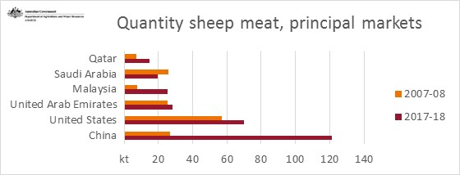
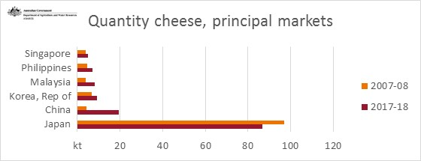
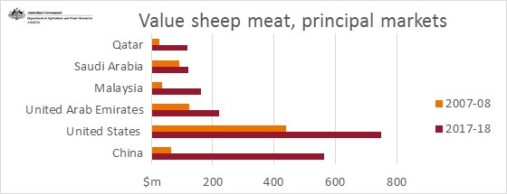
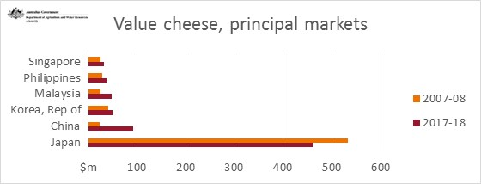
 |  | Quantity wine, principal markets |  |  | Value wine, principal markets
 |  | kt | 2007-08 | 2017-18 | $m | 2007-08 | 2017-18
 |  | Netherlands | 28 | 32 | Netherlands | 102 | 57
 |  | New Zealand | 23 | 32 | New Zealand | 122 | 95
 |  | Canada | 48 | 67 | Canada | 329 | 199
 |  | United States | 186 | 164 | United States | 918 | 443
 |  | China | 13 | 175 | China | 77 | 982
 |  | United Kingdom | 268 | 252 | United Kingdom | 1119 | 410
 |  | Source: Australian Bureau Statistics, Information Consultancy Services, 2007, Australia, cat. No. 9920.0, Canberra, September quarter

 |  | Quantity wool, principal markets |  |  | Value wool, principal markets
Source: Australian Bureau Statistics, Information Consultancy Services, 2007, Australia, cat. No. 9920.0, Canberra, September quarter | Source: Australian Bureau Statistics, Information Consultancy Services, 2007, Australia, cat. No. 9920.0, Canberra, September quarter | kt | 2007-08 | 2017-18 | $m | 2007-08 | 2017-18
 |  | Egypt | 0 | 3 | Egypt | 0 | 49
 |  | Korea, Rep of | 6 | 13 | Korea, Rep of | 37 | 114
 |  | Italy | 37 | 15 | Italy | 356 | 235
 |  | Czech Republic | 18 | 18 | Czech Republic | 122 | 178
 |  | India | 24 | 21 | India | 179 | 247
 |  | China | 309 | 354 | China | 2185 | 3340
 |  | Source: Australian Bureau Statistics, Information Consultancy Services, 2007, Australia, cat. No. 9920.0, Canberra, September quarter

 |  | Quantity beef and veal, principal markets |  |  | Value beef and veal, principal markets
 |  | kt | 2007-08 | 2017-18 | $m | 2007-08 | 2017-18
 |  | Phillipines | 10 | 39 | Phillipines | 31 | 178
 |  | Indonesia | 32 | 66 | Indonesia | 124 | 326
 |  | China | 4 | 140 | China | 22 | 1002
 |  | Korea, Rep of | 162 | 170 | Korea, Rep of | 953 | 1176
 |  | United States | 246 | 235 | United States | 1186 | 1709
 |  | Japan | 378 | 309 | Japan | 2320 | 2117
 |  | Source: Australian Bureau Statistics, Information Consultancy Services, 2007, Australia, cat. No. 9920.0, Canberra

 |  | Quantity sheep meat, principal markets |  |  | Value sheep meat, principal markets
 |  | kt | 2007-08 | 2017-18 | $m | 2007-08 | 2017-18
 |  | Qatar | 7 | 15 | Qatar | 25 | 116
 |  | Saudi Arabia | 26 | 20 | Saudi Arabia | 91 | 120
 |  | Malaysia | 8 | 25 | Malaysia | 36 | 161
 |  | United Arab Emirates | 26 | 28 | United Arab Emirates | 124 | 220
 |  | United States | 57 | 70 | United States | 438 | 750
 |  | China | 27 | 121 | China | 65 | 563
 |  | Source: Australian Bureau Statistics, Information Consultancy Services, 2007, Australia, cat. No. 9920.0, Canberra

 |  | Quantity cheese, principal markets |  |  | Value cheese, principal markets
 |  | kt | 2007-08 | 2017-18 | $m | 2007-08 | 2017-18
 |  | Singapore | 4 | 5 | Singapore | 25 | 33
 |  | Philippines | 5 | 7 | Philippines | 29 | 38
 |  | Malaysia | 4 | 8 | Malaysia | 26 | 49
 |  | Korea, Rep of | 7 | 9 | Korea, Rep of | 41 | 50
 |  | China | 4 | 19 | China | 23 | 93
 |  | Japan | 97 | 87 | Japan | 533 | 461
 |  | Source: Australian Bureau Statistics, Information Consultancy Services, 2007, Australia, cat. No. 9920.0, Canberra

Figure 4 (cont)
Principal markets for Australian agricultural, fisheries and forestry exports (in 2017–18 dollars) continued

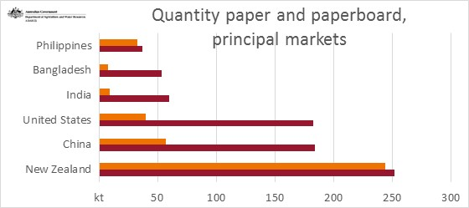
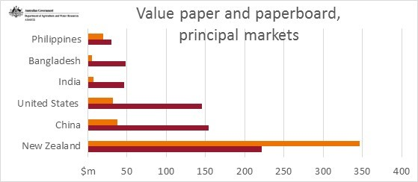
 | Quantity paper and paperboard, principal markets |  |  | Value paper and paperboard, principal markets
 | kt | 2007-08 | 2017-18 | $m | 2007-08 | 2017-18
 | Philippines | 33 | 37 | Philippines | 20 | 30
 | Bangladesh | 8 | 54 | Bangladesh | 5 | 48
 | India | 9 | 60 | India | 7 | 47
 | United States | 40 | 183 | United States | 32 | 145
 | China | 57 | 185 | China | 38 | 154
 | New Zealand | 245 | 252 | New Zealand | 346 | 221
 | Source: Australian Bureau Statistics, Information Consultancy Services, 2007, Australia, cat. No. 9920.0, Canberra, September quarter

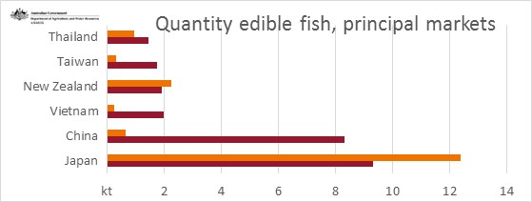
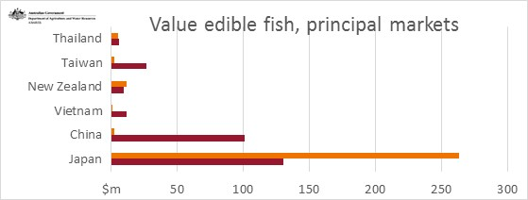
 | Quantity edible fish, principal markets
 | kt | 2007-08 | 2017-18 | Value edible fish, principal markets
 | Thailand | 0.9 | 1.4 | $m | 2007-08 | 2017-18
 | Taiwan | 0.3 | 1.8 | Thailand | 6 | 6
 | New Zealand | 2.3 | 1.9 | Taiwan | 3 | 27
 | Vietnam | 0.3 | 2.0 | New Zealand | 12 | 10
 | China | 0.7 | 8.3 | Vietnam | 1 | 12
 | Japan | 12.4 | 9.3 | China | 3 | 102
 | Source: Australian Bureau Statistics, Information Consultancy Services, 2007, Australia, cat. No. 9920.0, Canberra |  |  | Japan | 263 | 130

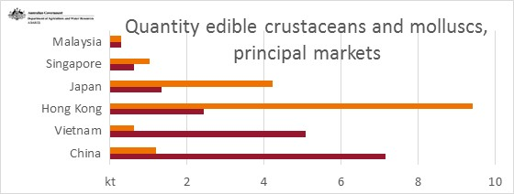
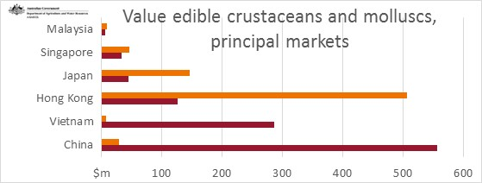
 | Quantity edible crustaceans and molluscs, principal markets |  |  | Value edible crustaceans and molluscs, principal markets
 | kt | 2007-08 | 2017-18 | $m | 2007-08 | 2017-18
 | Malaysia | 0.3 | 0.3 | Malaysia | 9 | 7
 | Singapore | 1.0 | 0.6 | Singapore | 47 | 34
 | Japan | 4.2 | 1.3 | Japan | 147 | 45
 | Hong Kong | 9.4 | 2.4 | Hong Kong | 507 | 127
 | Vietnam | 0.6 | 5.1 | Vietnam | 9 | 286
 | China | 1.2 | 7.2 | China | 30 | 557
 | Source: Australian Bureau Statistics, Information Consultancy Services, 2007, Australia, cat. No. 9920.0, Canberra, September quarter

Source: Australian Bureau Statistics, Information Consultancy Services, 2007, Australia, cat. No. 9920.0, Canberra

Quantity edible crustaceans and molluscs, principal markets

Value edible crustaceans and molluscs, principal markets

Figure 5
Contribution to exports by sector, balance of payments basis

Proportion of merchandise exports | Proportion of exports of goods and services

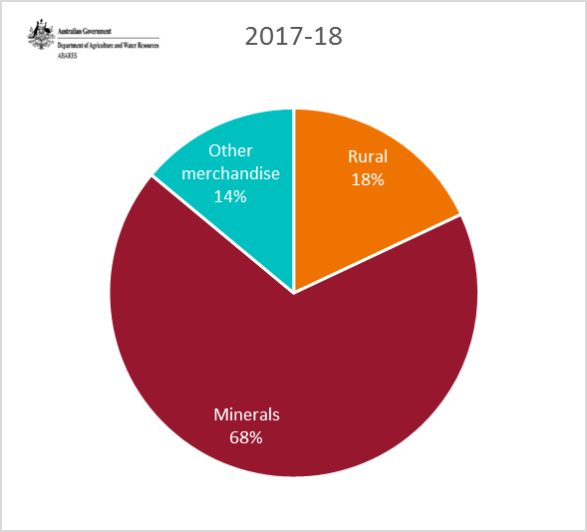
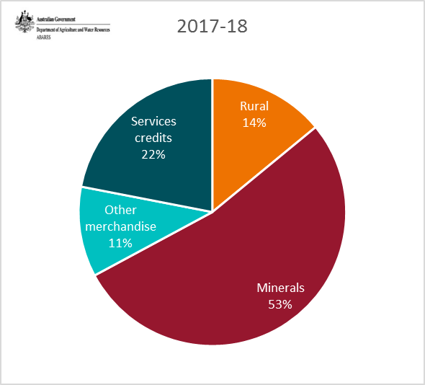
 |  |  | 2013-14 | 2014-15 | 2015-16 | 2016-17 | 2017-18
 |  | Rural | 16 | 16 | 19 | 20 | 18
 |  | Minerals | 69 | 70 | 65 | 63 | 68
 |  | Other merchandise | 15 | 14 | 16 | 17 | 14
 |  | Source: Australian Bureau Statistics, Balance of payments, Australia, cat. No. 5302.0, Canberra, September quarter

 |  |  | 2013-14 | 2014-15 | 2015-16 | 2016-17 | 2017-18
 |  | Rural | 13 | 13 | 15 | 15 | 14
 |  | Minerals | 56 | 57 | 52 | 48 | 53
 |  | Other merchandise | 12 | 11 | 12 | 13 | 11
 |  | Services credits | 19 | 19 | 21 | 24 | 22
 |  | Source: Australian Bureau Statistics, Balance of payments, Australia, cat. No. 5302.0, Canberra, September quarter

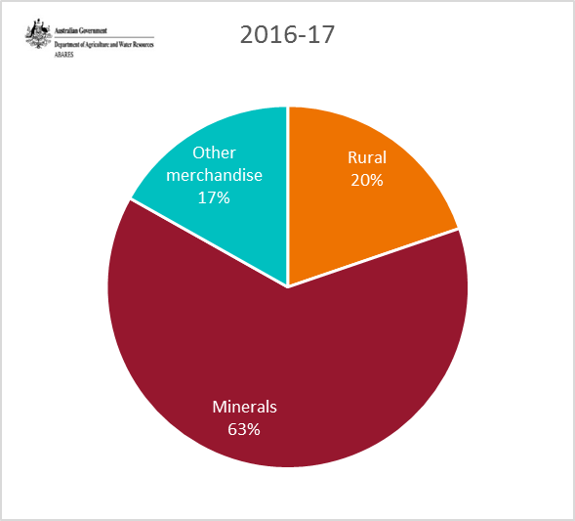
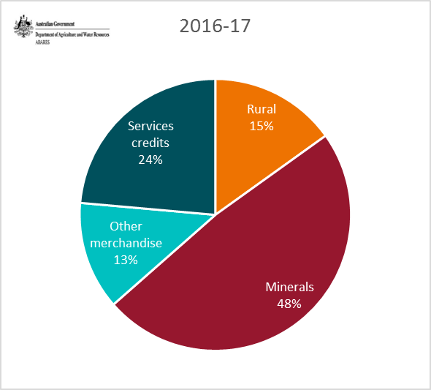

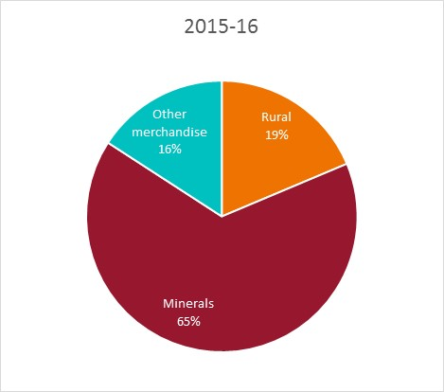
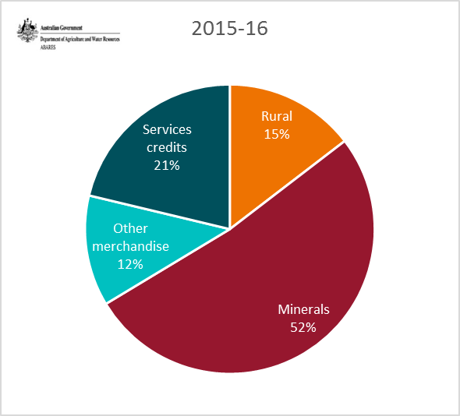

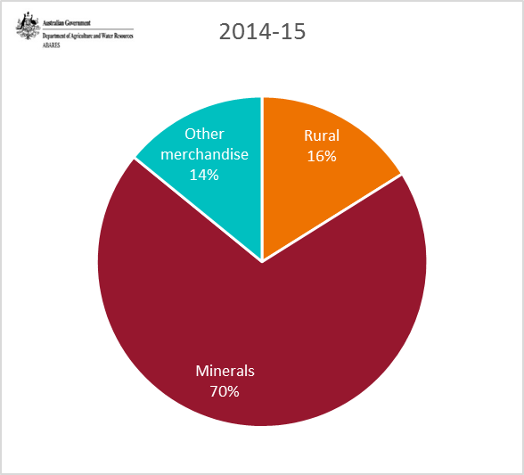
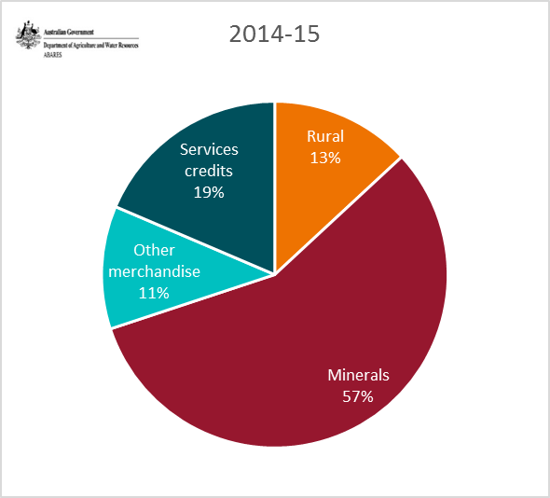

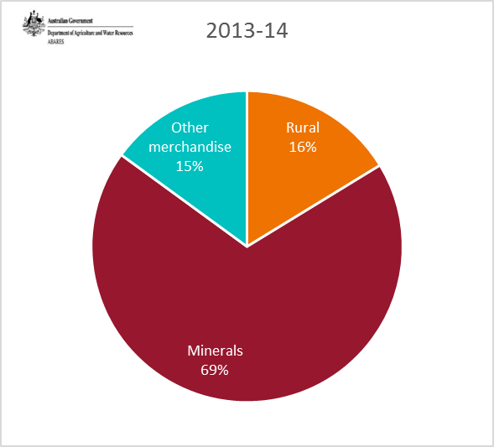

Source: Australian Bureau Statistics, Balance of payments, Australia, cat. No. 5302.0, Canberra, September quarter

