Figure 1
Contribution to GDP, Australia

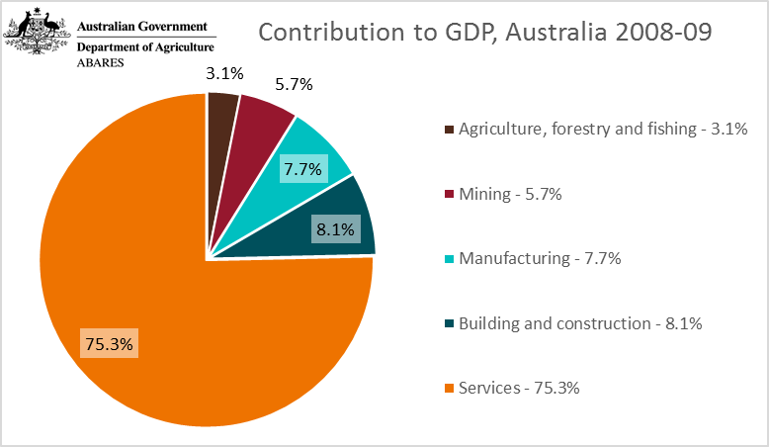
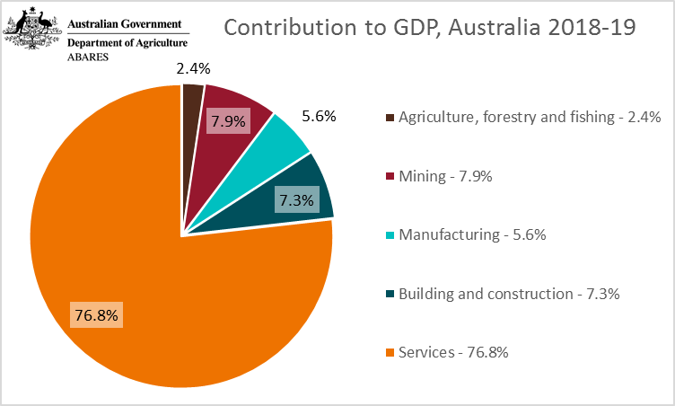

Contribution to GDP, Australia |  | 2008-09 | 2018-19
Agriculture, fisheries and forestry | % | 3.1 | 2.4
Mining | % | 5.7 | 7.9
Manufacturing | % | 7.7 | 5.6
Building and construction | % | 8.1 | 7.3
Services | % | 75.3 | 76.8
Total GDP | $b | 1,432.3 | 1,851.0

Source: Australian Bureau Statistics, National accounts, Australia, cat. No. 5206.0, Canberra

Figure 2
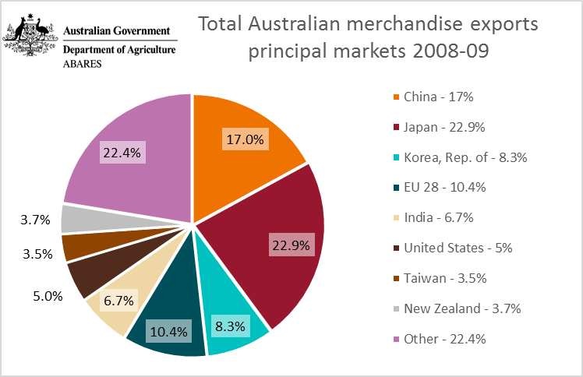
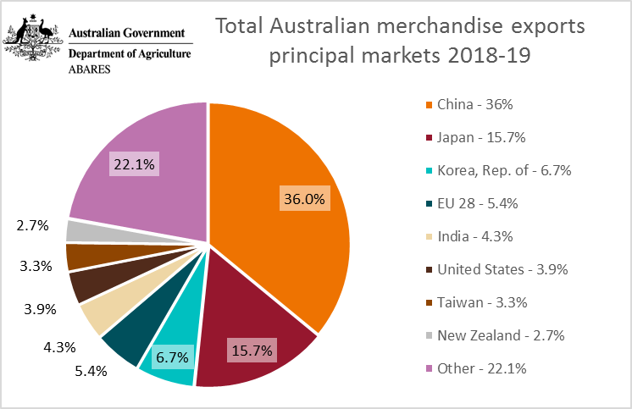
Markets for Australian merchandise exports
 | Total Australian merchandise exports - principal markets

 |  |  | 2008-09 | 2018-19
 | China | % | 17.0 | 36.0
 | Japan | % | 22.9 | 15.7
 | Korea, Rep. of | % | 8.3 | 6.7
 | EU 28 | % | 10.4 | 5.4
 | India | % | 6.7 | 4.3
 | United States | % | 5.0 | 3.9
 | Taiwan | % | 3.5 | 3.3
 | New Zealand | % | 3.7 | 2.7
 | Other | % | 22.4 | 22.1

 | Real value exports | $b | 298 | 379
 | Source: Australian Bureau Statistics, International trades and Services, Australia, cat. No. 5368.0, Canberra

Source: Australian Bureau Statistics, International trades and Services, Australia, cat. No. 5368.0, Canberra

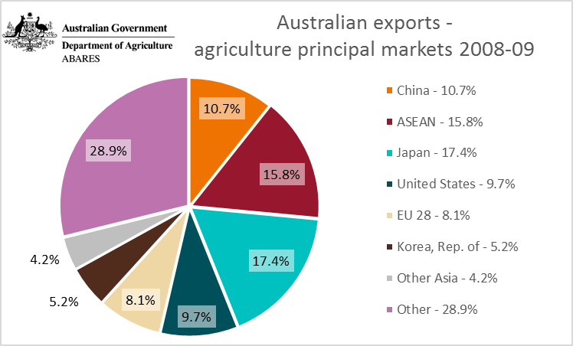
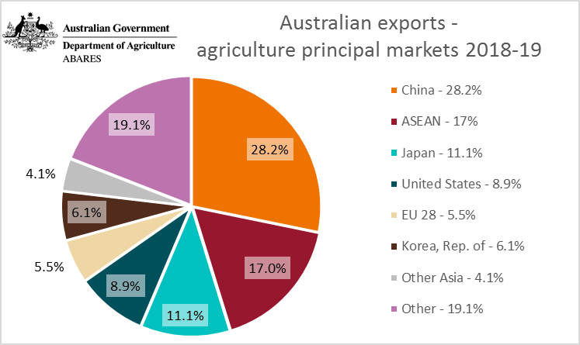
 | Australian exports - agriculture principal markets

 |  |  | 2008-09 | 2018-19
 | China | % | 10.7 | 28.2
 | ASEAN | % | 15.8 | 17.0
 | Japan | % | 17.4 | 11.1
 | United States | % | 9.7 | 8.9
 | EU 28 | % | 8.1 | 5.5
 | Korea, Rep. of | % | 5.2 | 6.1
 | Other Asia | % | 4.2 | 4.1
 | Other | % | 28.9 | 19.1

 | Real value exports | $b | 40.5 | 50.7
 | Source: Australian Bureau Statistics, International trades and Services, Australia, cat. No. 5368.0, Canberra

Source: Australian Bureau Statistics, International trades and Services, Australia, cat. No. 5368.0, Canberra

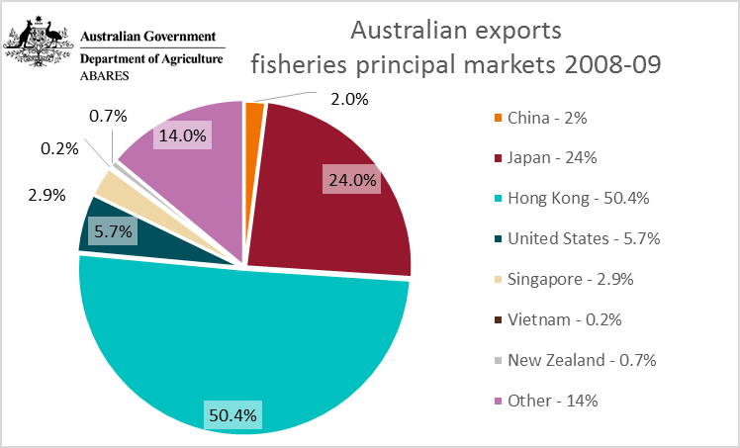
Australian exports fisheries principal markets 2018-19
 | Australian exports fisheries principal markets 2018-19 2018-19
China - 58% | 57.951630838
Japan - 13.9% | 13.914435522
Hong Kong - 11.5% | 11.451839919
United States - 3.8% | 3.8199972655
Singapore - 2.8% | 2.8405452454
Vietnam - 1.8% | 1.8466835556
New Zealand - 1.3% | 1.2628345313
Other - 6.9% | 6.9120331231
 | Australian exports - fisheries principal markets

 |  |  | 2008-09 | 2018-19
 | China | % | 2.0 | 58.0
 | Japan | % | 24.0 | 13.9
 | Hong Kong | % | 50.4 | 11.5
 | United States | % | 5.7 | 3.8
 | Singapore | % | 2.9 | 2.8
 | Vietnam | % | 0.2 | 1.8
 | New Zealand | % | 0.7 | 1.3
 | Other | % | 14.0 | 6.9

 | Real value exports | $b | 2.0 | 1.6
 | Source: Australian Bureau Statistics, International trades and Services, Australia, cat. No. 5368.0, Canberra

Source: Australian Bureau Statistics, International trades and Services, Australia, cat. No. 5368.0, Canberra

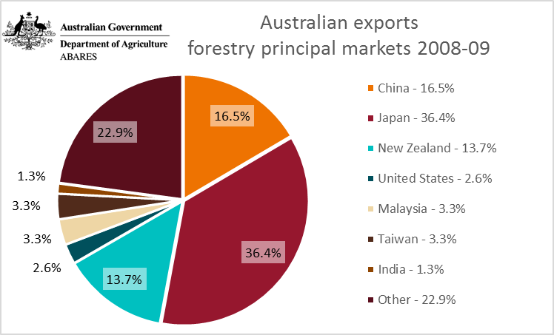
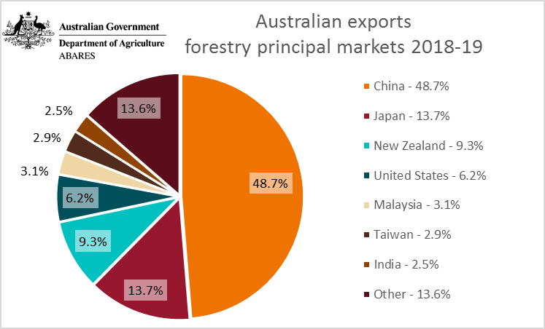
 | Australian exports - forestry principal markets

 |  |  | 2008-09 | 2018-19
 | China | % | 16.5 | 48.7
 | Japan | % | 36.4 | 13.7
 | New Zealand | % | 13.7 | 9.3
 | United States | % | 2.6 | 6.2
 | Malaysia | % | 3.3 | 3.1
 | Taiwan | % | 3.3 | 2.9
 | India | % | 1.3 | 2.5
 | Other | % | 22.9 | 13.6

 | Real value exports | $b | 3.1 | 4.0
 | Source: Australian Bureau Statistics, International trades and Services, Australia, cat. No. 5368.0, Canberra

Source: Australian Bureau Statistics, International trades and Services, Australia, cat. No. 5368.0, Canberra

Figure 3
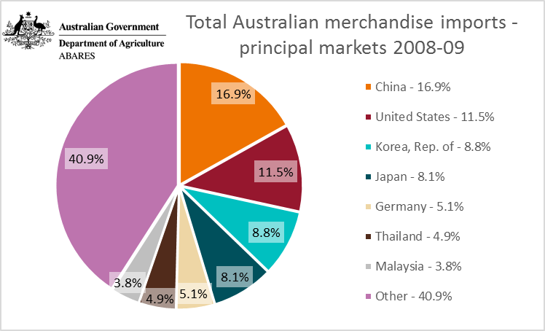
Markets for Australian merchandise imports
 | Total Australian merchandise imports - principal markets
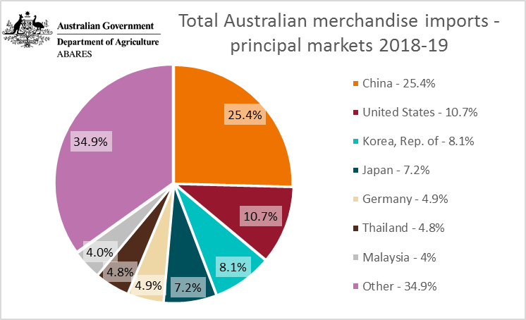
 |  |  | 2008-09 | 2018-19
 | China | % | 16.9 | 25.4
 | United States | % | 11.5 | 10.7
 | Korea, Rep. of | % | 8.8 | 8.1
 | Japan | % | 8.1 | 7.2
 | Germany | % | 5.1 | 4.9
 | Thailand | % | 4.9 | 4.8
 | Malaysia | % | 3.8 | 4.0
 | Other | % | 40.9 | 34.9

 | Real value imports | $b | 283.7 | 312.7
 | Source: Australian Bureau Statistics, International trades and Services, Australia, cat. No. 5368.0, Canberra

Source: Australian Bureau Statistics, International trades and Services, Australia, cat. No. 5368.0, Canberra

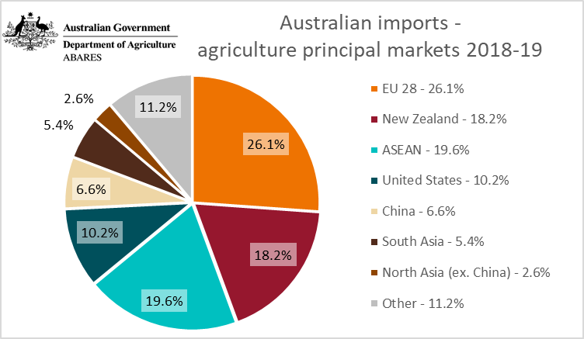
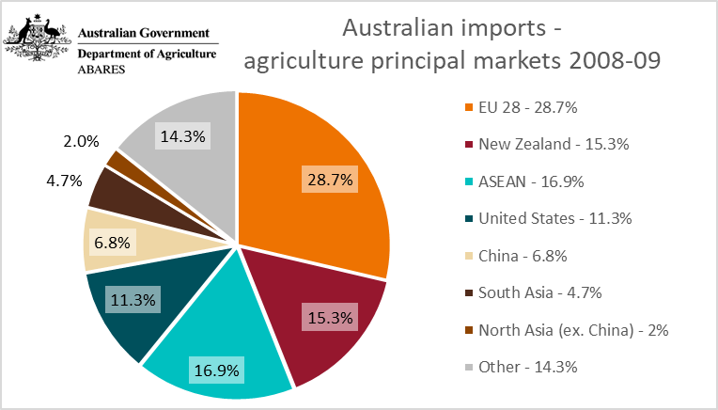
 | Australian imports - agriculture principal markets

 |  |  | 2008-09 | 2018-19
 | EU 28 | % | 28.7 | 26.1
 | New Zealand | % | 15.3 | 18.2
 | ASEAN | % | 16.9 | 19.6
 | United States | % | 11.3 | 10.2
 | China | % | 6.8 | 6.6
 | South Asia | % | 4.7 | 5.4
 | North Asia (ex. China) | % | 2.0 | 2.6
 | Other | % | 14.3 | 11.2

 | Real value imports | $b | 14.2 | 21.2
 | Source: Australian Bureau Statistics, International trades and Services, Australia, cat. No. 5368.0, Canberra

Source: Australian Bureau Statistics, International trades and Services, Australia, cat. No. 5368.0, Canberra
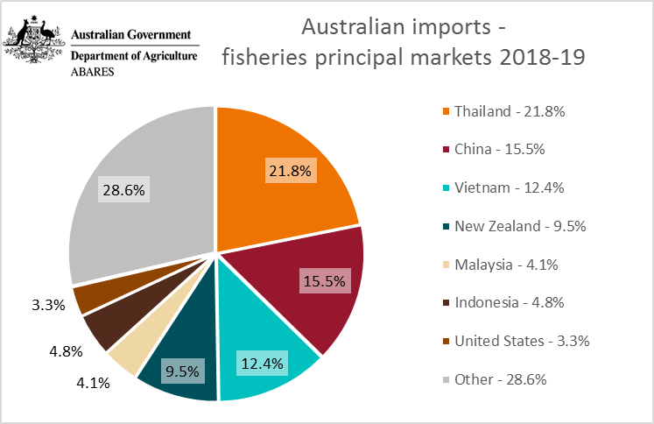
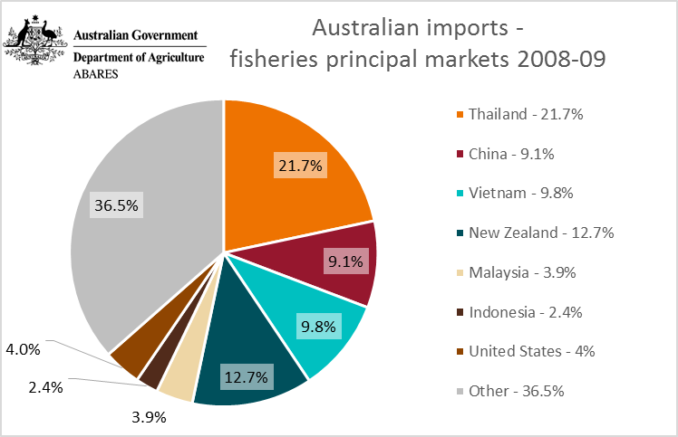
 | Australian imports - fisheries principal markets

 |  |  | 2008-09 | 2018-19
 | Thailand | % | 21.7 | 21.8
 | China | % | 9.1 | 15.5
 | Vietnam | % | 9.8 | 12.4
 | New Zealand | % | 12.7 | 9.5
 | Malaysia | % | 3.9 | 4.1
 | Indonesia | % | 2.4 | 4.8
 | United States | % | 4.0 | 3.3
 | Other | % | 36.5 | 28.6

 | Real value imports | $b | 2.2 | 2.3
 | Source: Australian Bureau Statistics, International trades and Services, Australia, cat. No. 5368.0, Canberra

Source: Australian Bureau Statistics, International trades and Services, Australia, cat. No. 5368.0, Canberra

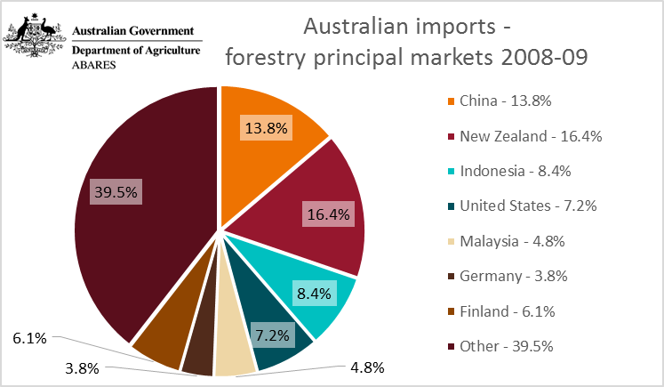
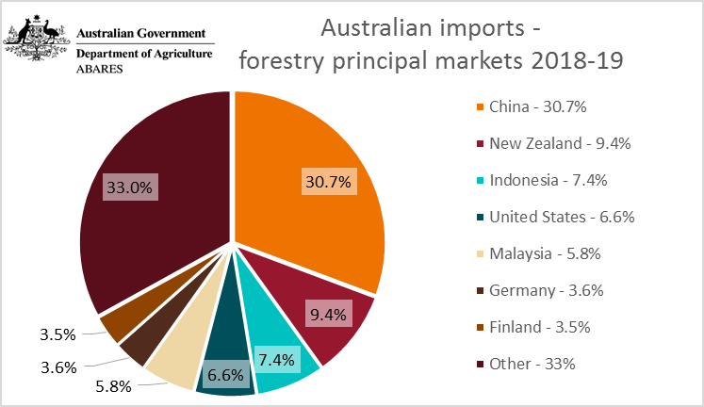
 | Australian imports - forestry principal markets

 |  |  | 2008-09 | 2018-19
 | China | % | 13.8 | 30.7
 | New Zealand | % | 16.4 | 9.4
 | Indonesia | % | 8.4 | 7.4
 | United States | % | 7.2 | 6.6
 | Malaysia | % | 4.8 | 5.8
 | Germany | % | 3.8 | 3.6
 | Finland | % | 6.1 | 3.5
 | Other | % | 39.5 | 33.0

 | Real value imports | $b | 5.8 | 6.0
 | Source: Australian Bureau Statistics, International trades and Services, Australia, cat. No. 5368.0, Canberra

Source: Australian Bureau Statistics, International trades and Services, Australia, cat. No. 5368.0, Canberra

Figure 4a
Principal markets for Australian agricultural, fisheries and forestry exports (in 2018–19 dollars)
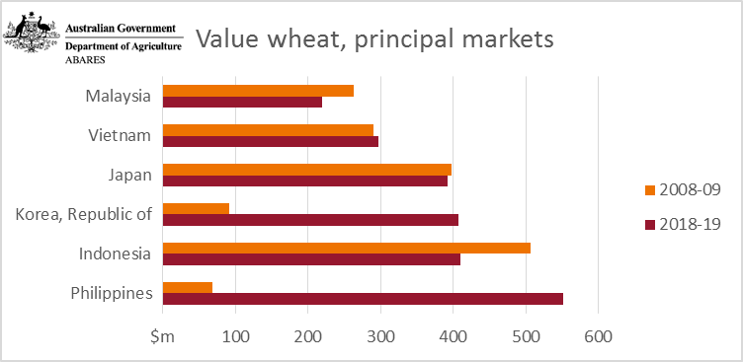
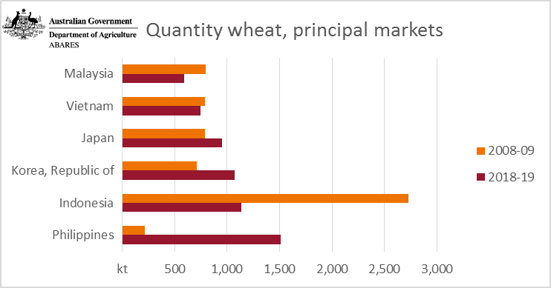
 | Value wheat, principal markets |  |  | Quantity wheat, principal markets
 | $m | 2008-09 | 2018-19 | kt | 2008-09 | 2018-19
 | Malaysia | 263 | 219 | Malaysia | 793 | 588
 | Vietnam | 290 | 296 | Vietnam | 790 | 749
 | Japan | 397 | 392 | Japan | 791 | 950
 | Korea, Republic of | 92 | 407 | Korea, Republic of | 712 | 1072
 | Indonesia | 507 | 410 | Indonesia | 2728 | 1138
 | Philippines | 69 | 551 | Philippines | 214 | 1508
 | Source: Australian Bureau Statistics, Information Consultancy Services, 2007, Australia, cat. No. 9920.0, Canberra

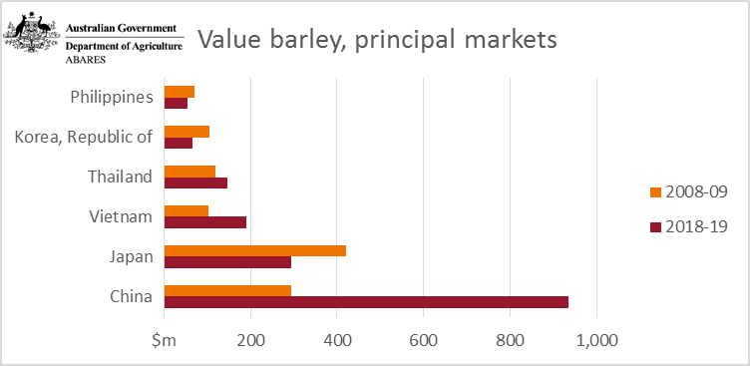
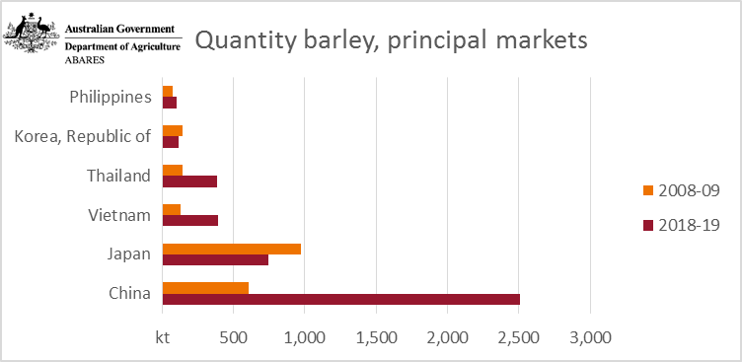
 | Value barley, principal markets |  |  | Quantity barley, principal markets
 | $m | 2008-09 | 2018-19 | kt | 2008-09 | 2018-19
 | Philippines | 70 | 54 | Philippines | 76 | 101
 | Korea, Republic of | 106 | 67 | Korea, Republic of | 143 | 115
 | Thailand | 119 | 147 | Thailand | 145 | 386
 | Vietnam | 102 | 192 | Vietnam | 131 | 393
 | Japan | 420 | 294 | Japan | 977 | 746
 | China | 295 | 934 | China | 611 | 2508
 | Source: Australian Bureau Statistics, Information Consultancy Services, 2007, Australia, cat. No. 9920.0, Canberra

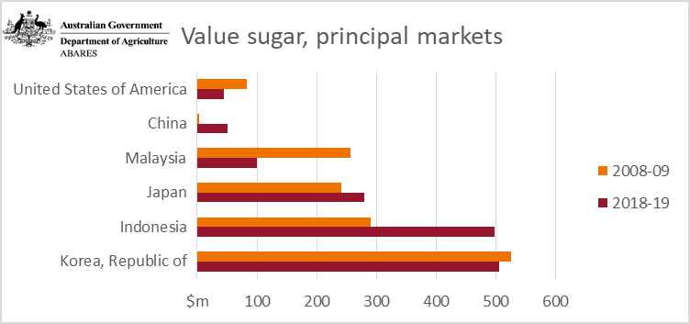
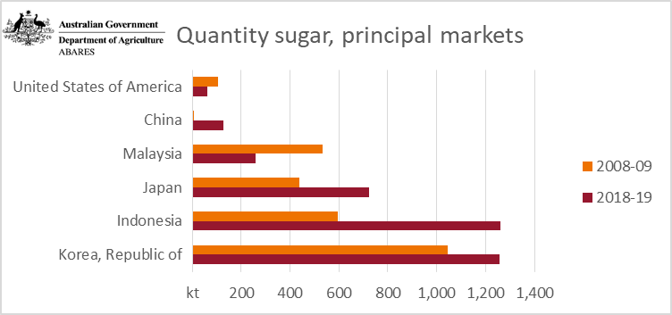
 | Value sugar, principal markets |  |  | Quantity sugar, principal markets
 | $m | 2008-09 | 2018-19 s | kt | 2008-09 | 2018-19 s
 | United States of America | 83 | 45 | United States of America | 107 | 61
 | China | 4 | 51 | China | 6 | 129
 | Malaysia | 257 | 100 | Malaysia | 532 | 259
 | Japan | 241 | 280 | Japan | 440 | 724
 | Indonesia | 290 | 498 | Indonesia | 594 | 1262
 | Korea, Republic of | 526 | 507 | Korea, Republic of | 1043 | 1257
 | s ABARES estimate.
 | Source: Australian Bureau Statistics, Information Consultancy Services, 2007, Australia, cat. No. 9920.0, Canberra

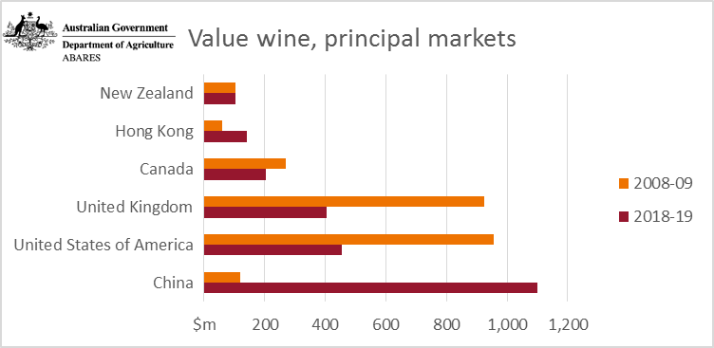
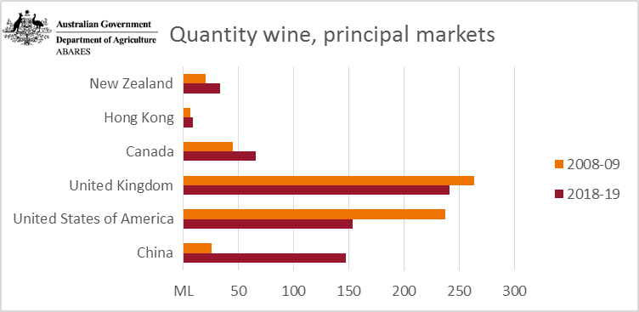
 | Value wine, principal markets |  |  | Quantity wine, principal markets
 | $m | 2008-09 | 2018-19 | ML | 2008-09 | 2018-19
 | New Zealand | 104 | 104 | New Zealand | 20 | 33
 | Hong Kong | 61 | 142 | Hong Kong | 6 | 9
 | Canada | 270 | 202 | Canada | 45 | 65
 | United Kingdom | 925 | 405 | United Kingdom | 263 | 241
 | United States | 957 | 456 | United States | 237 | 153
 | China | 119 | 1100 | China | 26 | 147
 | Source: Australian Bureau Statistics, Information Consultancy Services, 2007, Australia, cat. No. 9920.0, Canberra

Source: Australian Bureau Statistics, Information Consultancy Services, 2007, Australia, cat. No. 9920.0, Canberra

Figure 4b
Principal markets for Australian agricultural, fisheries and forestry exports (in 2018–19 dollars)

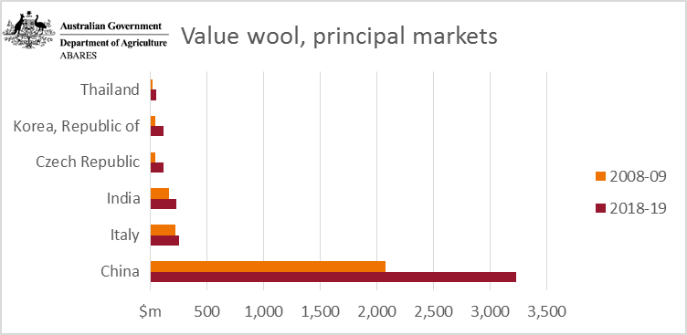
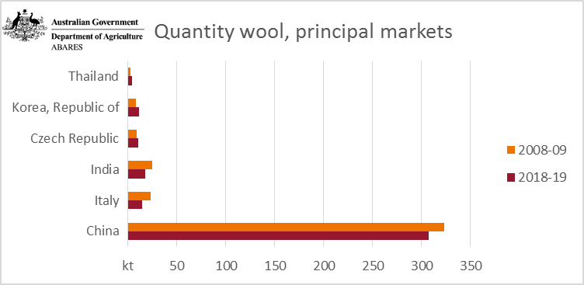
 | Value wool, principal markets |  |  | Quantity wool, principal markets
 | $m | 2008-09 | 2018-19 | kt | 2008-09 | 2018-19
 | Thailand | 21 | 50 | Thailand | 3 | 4
 | Korea, Republic of | 46 | 115 | Korea, Republic of | 8 | 11
 | Czech Republic | 48 | 121 | Czech Republic | 9 | 10
 | India | 165 | 229 | India | 25 | 17
 | Italy | 220 | 256 | Italy | 23 | 14
 | China | 2076 | 3230 | China | 323 | 307
 | Source: Australian Bureau Statistics, Information Consultancy Services, 2007, Australia, cat. No. 9920.0, Canberra

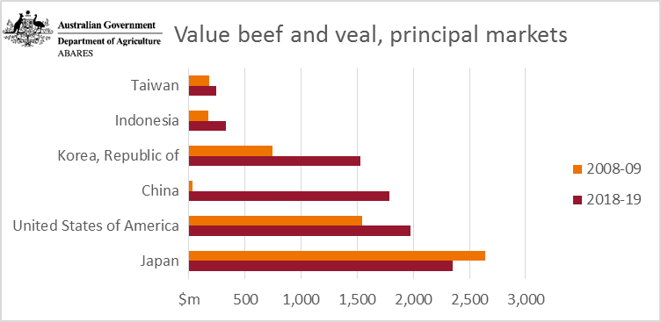
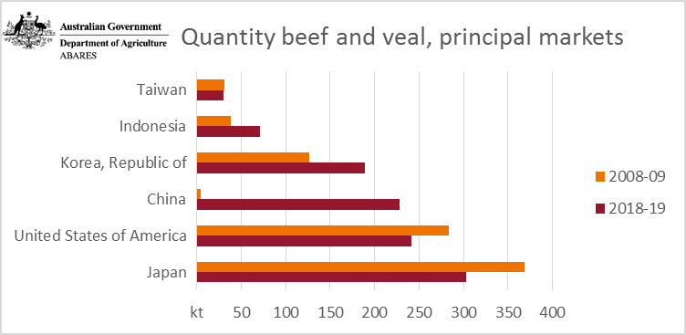
 | Value beef and veal, principal markets |  |  | Quantity beef and veal, principal markets
 | $m | 2008-09 | 2018-19 | kt | 2008-09 | 2018-19
 | Taiwan | 183 | 246 | Taiwan | 31 | 30
 | Indonesia | 175 | 329 | Indonesia | 39 | 71
 | Korea, Republic of | 747 | 1531 | Korea, Republic of | 127 | 189
 | China | 29 | 1784 | China | 5 | 228
 | United States | 1546 | 1973 | United States | 284 | 241
 | Japan | 2638 | 2352 | Japan | 369 | 303
 | Source: Australian Bureau Statistics, Information Consultancy Services, 2007, Australia, cat. No. 9920.0, Canberra

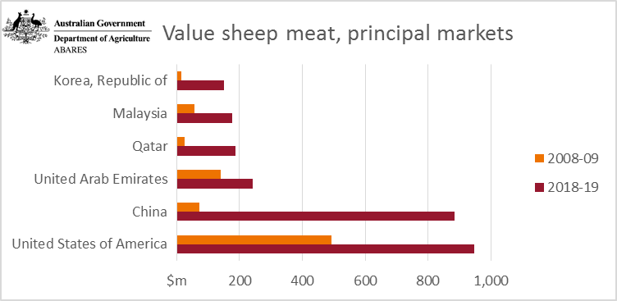
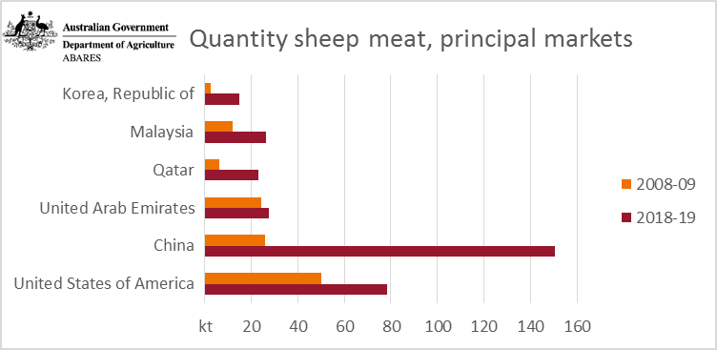
 | Value sheep meat, principal markets |  |  | Quantity sheep meat, principal markets
 | $m | 2008-09 | 2018-19 | kt | 2008-09 | 2018-19
 | Korea, Republic of | 14 | 150 | Korea, Republic of | 3 | 15
 | Malaysia | 58 | 176 | Malaysia | 12 | 26
 | Qatar | 26 | 188 | Qatar | 6 | 23
 | United Arab Emirates | 142 | 241 | United Arab Emirates | 24 | 28
 | China | 72 | 885 | China | 26 | 151
 | United States | 492 | 947 | United States | 50 | 78
 | Source: Australian Bureau Statistics, Information Consultancy Services, 2007, Australia, cat. No. 9920.0, Canberra

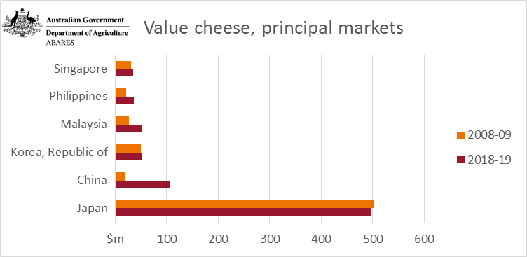
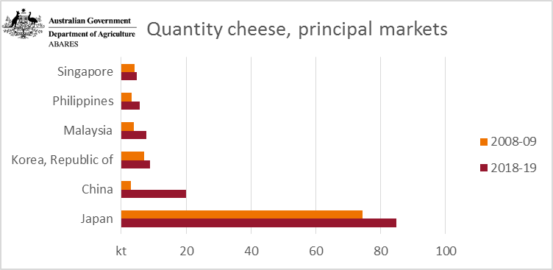
 | Value cheese, principal markets |  |  | Quantity cheese, principal markets
 | $m | 2008-09 | 2018-19 | kt | 2008-09 | 2018-19
 | Singapore | 30 | 35 | Singapore | 4 | 5
 | Philippines | 21 | 36 | Philippines | 3 | 6
 | Malaysia | 26 | 51 | Malaysia | 4 | 8
 | Korea, Republic of | 50 | 51 | Korea, Republic of | 7 | 9
 | China | 18 | 106 | China | 3 | 20
 | Japan | 501 | 497 | Japan | 74 | 85
 | Source: Australian Bureau Statistics, Information Consultancy Services, 2007, Australia, cat. No. 9920.0, Canberra

Source: Australian Bureau Statistics, Information Consultancy Services, 2007, Australia, cat. No. 9920.0, Canberra

Figure 4c
Principal markets for Australian agricultural, fisheries and forestry exports (in 2018–19 dollars) continued

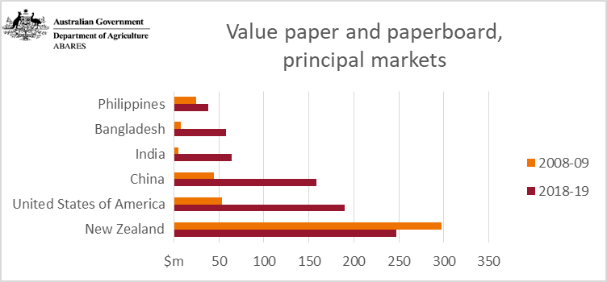
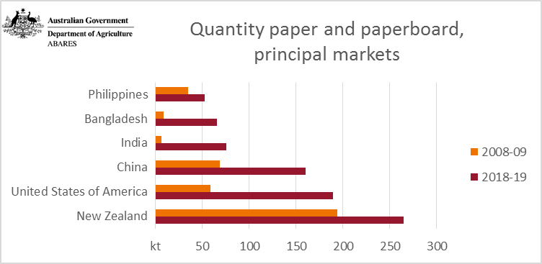
 | Value paper and paperboard, principal markets |  |  | Quantity paper and paperboard, principal markets
 | $m | 2008-09 | 2018-19 | kt | 2008-09 | 2018-19
 | Philippines | 24 | 38 | Philippines | 35 | 52
 | Bangladesh | 8 | 58 | Bangladesh | 8 | 66
 | India | 5 | 64 | India | 6 | 75
 | China | 44 | 159 | China | 69 | 160
 | United States | 53 | 190 | United States | 58 | 189
 | New Zealand | 297 | 248 | New Zealand | 194 | 265
 | Source: Australian Bureau Statistics, Information Consultancy Services, 2007, Australia, cat. No. 9920.0, Canberra

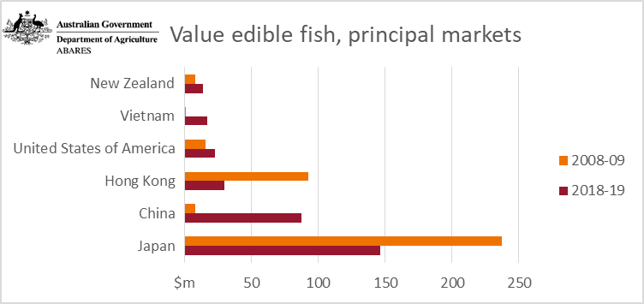
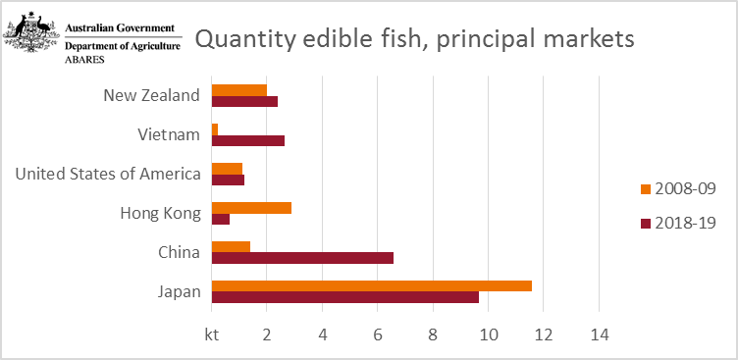
 | Value edible fish, principal markets |  |  | Quantity edible fish, principal markets
 | $m | 2008-09 | 2018-19 | kt | 2008-09 | 2018-19
 | New Zealand | 8 | 14 | New Zealand | 2.0 | 2.4
 | Vietnam | 1 | 17 | Vietnam | 0.2 | 2.7
 | United States | 16 | 23 | United States | 1.1 | 1.2
 | Hong Kong | 92 | 29 | Hong Kong | 2.9 | 0.7
 | China | 8 | 87 | China | 1.4 | 6.6
 | Japan | 237 | 146 | Japan | 11.6 | 9.7
 | Source: Australian Bureau Statistics, Information Consultancy Services, 2007, Australia, cat. No. 9920.0, Canberra

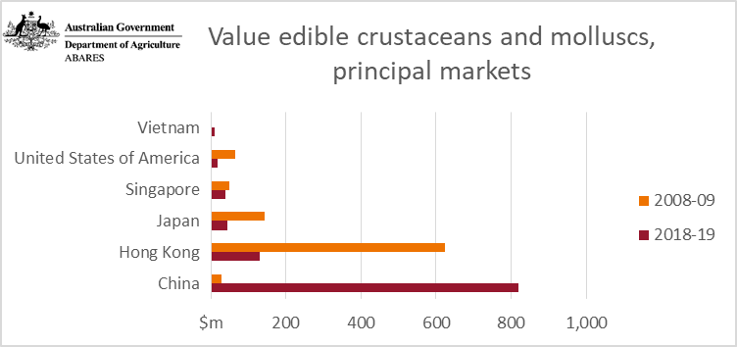
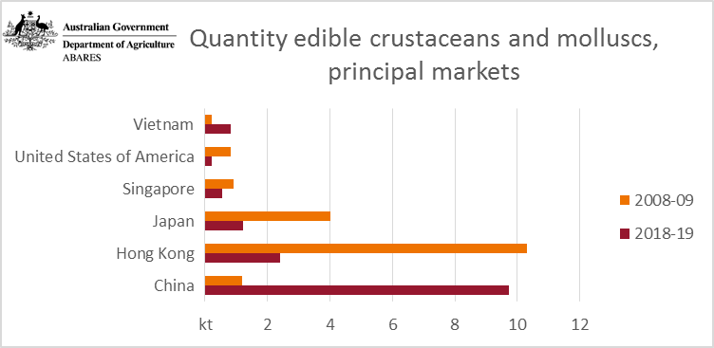
 | Value edible crustaceans and molluscs, principal markets |  |  | Quantity edible crustaceans and molluscs, principal markets
 | $m | 2008-09 | 2018-19 | kt | 2008-09 | 2018-19
 | Vietnam | 3 | 11 | Vietnam | 0.2 | 0.8
 | United States | 66 | 18 | United States | 0.8 | 0.2
 | Singapore | 48 | 39 | Singapore | 0.9 | 0.6
 | Japan | 142 | 43 | Japan | 4.0 | 1.2
 | Hong Kong | 623 | 131 | Hong Kong | 10.3 | 2.4
 | China | 30 | 819 | China | 1.2 | 9.7
 | Source: Australian Bureau Statistics, Information Consultancy Services, 2007, Australia, cat. No. 9920.0, Canberra

Source: Australian Bureau Statistics, Information Consultancy Services, 2007, Australia, cat. No. 9920.0, Canberra

Quantity edible crustaceans and molluscs, principal markets

Value edible crustaceans and molluscs, principal markets

Figure 5
Contribution to exports by sector, balance of payments basis

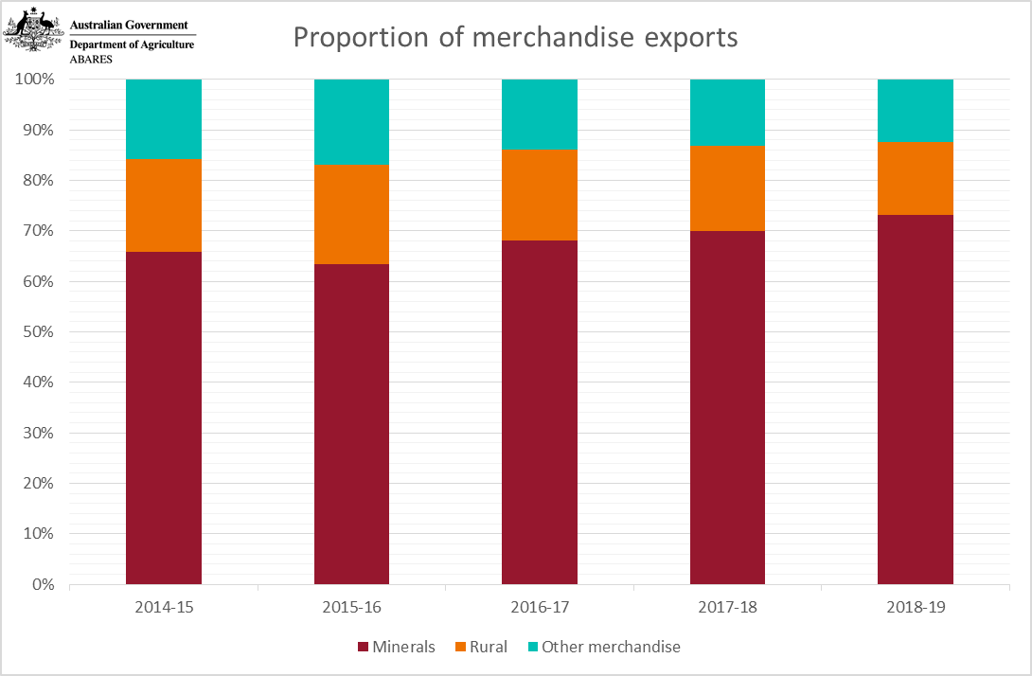
Proportion of merchandise exports
 |  |  | Proportion of Merchandise Exports 2013-14 to 2017-18
 |  |  | 2014-15 | 2015-16 | 2016-17 | 2017-18 | 2018-19
 | Minerals | % | 66 | 63 | 68 | 70 | 73
 | Rural | % | 19 | 20 | 18 | 17 | 14
 | Other merchandise | % | 16 | 17 | 14 | 13 | 12
 | Source: Australian Bureau Statistics, Balance of payments, Australia, cat. No. 5302.0, Canberra

Source: Australian Bureau Statistics, Balance of payments, Australia, cat. No. 5302.0, Canberra

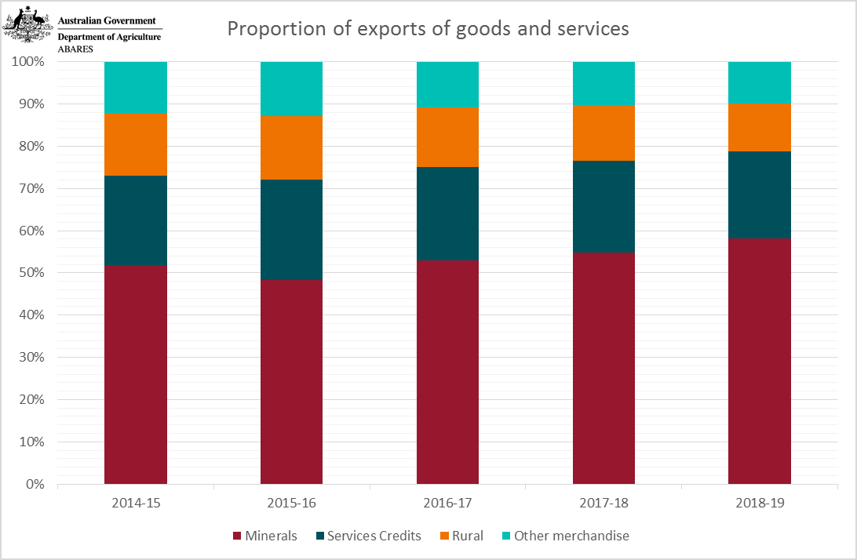
Proportion of exports of goods and services |  |  | Proportion of exports of goods and services 2013-14 to 2017-18
 |  |  | 2014-15 | 2015-16 | 2016-17 | 2017-18 | 2018-19
 | Minerals | % | 52 | 48 | 53 | 55 | 58
 | Services credits | % | 21 | 24 | 22 | 22 | 21
 | Rural | % | 15 | 15 | 14 | 13 | 11
 | Other merchandise | % | 12 | 13 | 11 | 10 | 10
 | Source: Australian Bureau Statistics, Balance of payments, Australia, cat. No. 5302.0, Canberra

Source: Australian Bureau Statistics, Balance of payments, Australia, cat. No. 5302.0, Canberra

